Defect Report - PE-16 - DF-001
Title | Register page: Date of birth field does not exist

Description / Overview | The date of field does not exist in the register page

Reproduction Steps | 1- Open the application page http://127.0.0.1:5000/
 | 2- Click sign in
 | 3- Click register here

Expected Behavior | User enters all test data and the register button enables

Actual Behavior | Date of birth field does not exist
 | 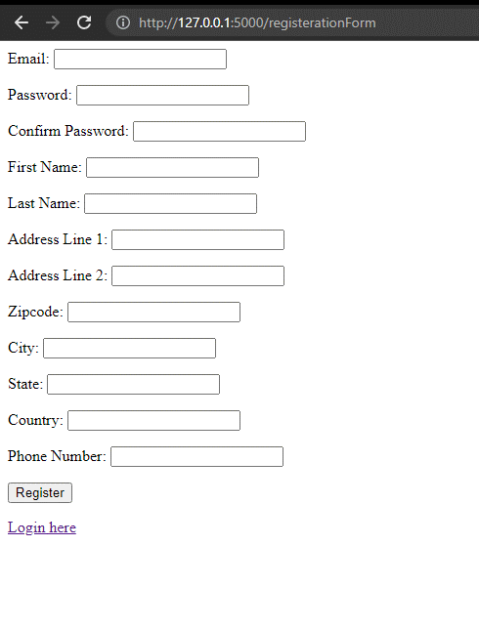
Incidence / Severity / Probability of reproduction | Medium severity - There is no age restriction
 | 100% reproduction rate

Story and Acceptance Criteria affected | Affected User Story: PE-16

Browsers tested | Google Chrome, v107

Environment | QA environment, http://127.0.0.1:5000/registerationForm

Notes

Defect Report - PE-53 DF-001
Title | Modify user: there is no Goverment id field

Description / Overview | When entering modify user page there is no goverment id field.

Reproduction Steps | 1- Open the application page http://127.0.0.1:5000/
 | 2- Navigate to modify user page

Expected Behavior | Goverment id field should be available to fill.

Actual Behavior | Government field does not exist in the form available in the modify page
 | 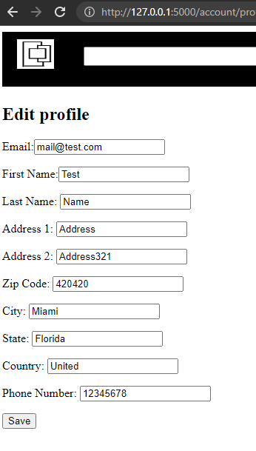
Incidence / Severity / Probability of reproduction | Low severity - Goverment id
 | 100% reproduction rate

Story and Acceptance Criteria affected | Affected User Story: PE-53

Browsers tested | Google Chrome, v107

Environment | QA environment, http://127.0.0.1:5000/

Notes

Defect Report - PE-53 DF-002
Title | Change password: allows you to change it to the current password

Description / Overview | When changing to a new password it allows the user to change to the current one

Reproduction Steps | 1- Open the application page http://127.0.0.1:5000/
 | 2- Navigate to change password page
 | 3- Enter the password that the user logged in already has
 | 4- Enter all test data
 | 5- Click save

Expected Behavior | User should get an error indicating the password they entered its the same as password they already have

Actual Behavior | Password is changed successfully
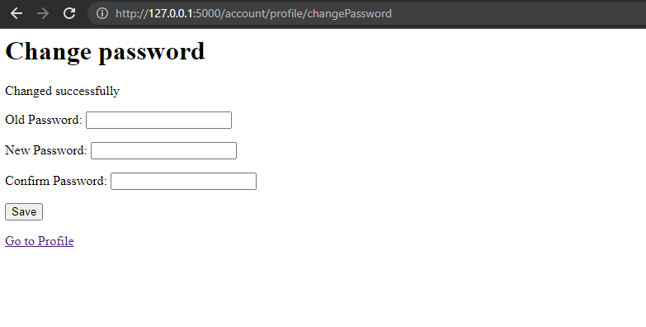
Incidence / Severity / Probability of reproduction | Low severity -
 | 100% reproduction rate

Story and Acceptance Criteria affected | Affected User Story: PE-53

Browsers tested | Google Chrome, v107

Environment | QA environment, http://127.0.0.1:5000/

Notes

